SEASONS BOND
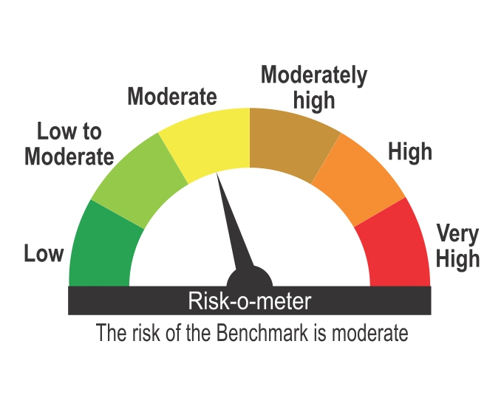
ICICI Prudential Mutual Fund
ICICI Prudential All Seasons Bond Fund
Portfolio as on Jan 31,2025
Company/Issuer/Instrument Name | ISIN | Coupon | Industry/Rating | Quantity | Exposure/Market Value(Rs.Lakh) | % to Nav | Yield of the instrument | Yield to Call @
Debt Instruments |  |  |  |  | 1154620.64 | 85.27%

Listed / Awaiting Listing On Stock Exchanges |  |  |  |  | 1147105.64 | 84.72%

Government Securities |  |  |  |  | 643798.87 | 47.55%
Government Securities | IN0020240019 | 7.1 | SOV | 499431490 | 511449.81 | 37.77% | 6.86
Government Securities | IN0020200120 | 7.93 | SOV | 66848050 | 68560.43 | 5.06% | 7.66
Government Securities | IN0020210137 | 7.53 | SOV | 45460800 | 45792.07 | 3.38% | 7.47
Government Securities | IN0020230085 | 7.18 | SOV | 11732700 | 12053.53 | 0.89% | 6.87
Government Securities | IN0020220151 | 7.26 | SOV | 3314200 | 3417.64 | 0.25% | 6.86
Government Securities | IN0020230077 | 7.18 | SOV | 2100000 | 2159.25 | 0.16% | 6.96
Government Securities | IN0020240126 | 6.79 | SOV | 185000 | 186.22 | 0.01% | 6.81
Government Securities | IN0020240134 | 6.92 | SOV | 178350 | 179.92 | 0.01% | 6.94

Non-Convertible debentures / Bonds |  |  |  |  | 492924.15 | 36.41%
Nirma Ltd. ** | INE091A07208 | 8.5 | CRISIL AA | 20000 | 20164.76 | 1.49% | 8.04
Godrej Properties Ltd. ** | INE484J08089 | 8.4 | ICRA AA+ | 20000 | 20086.76 | 1.48% | 8.22
Oberoi Realty Ltd. ** | INE093I07082 | 8.05 | CARE AA+ | 20000 | 19923.28 | 1.47% | 8.55
Bharti Telecom Ltd. ** | INE403D08207 | 8.95 | CRISIL AA+ | 16000 | 16151.22 | 1.19% | 8.35
SEIL Energy India Ltd. ** | INE460M07010 | 8.45 | CARE AA+ | 15000 | 14898.68 | 1.10% | 8.74
Indostar Capital Finance Ltd. ** | INE896L07AF6 | 10 | CARE AA- | 15000 | 14884.79 | 1.10% | 10.44
NABARD | INE261F08DO9 | 7.4 | CRISIL AAA | 1300 | 12960.65 | 0.96% | 7.72
Macrotech Developers Ltd. ** | INE670K07273 | 8.6 | CRISIL AA- | 12500 | 12471.16 | 0.92% | 9.03
Aptus Value Housing Finance India Ltd. ** | INE852O07139 | 8.75 | CARE AA- | 12500 | 12379.86 | 0.91% | 9.90
Aptus Value Housing Finance India Ltd. ** | INE852O07147 | 8.75 | CARE AA- | 12500 | 12361.75 | 0.91% | 9.88
360 One Prime Ltd. ** | INE248U07EQ0 | 9.41 | CRISIL AA | 1200000 | 12007.14 | 0.89% | 9.34
IIFL Home Finance Ltd. ** | INE477L07AW0 | 8.5 | CRISIL AA | 12000 | 11953.96 | 0.88% | 9.25
Tata Realty & Infrastructure Ltd. ** | INE371K08219 | 8.25 | ICRA AA+ | 11000 | 11024.13 | 0.81% | 8.01
Manappuram Finance Ltd. ** | INE522D07CH7 | 9.1 | CRISIL AA | 11000 | 10996.69 | 0.81% | 9.05
Ess Kay Fincorp Ltd ** | INE124N07721 | 9.25 | ICRA AA- | 11000 | 10911.08 | 0.81% | 9.77
Eris Lifesciences Ltd. ** | INE406M08029 | 8.73 | FITCH AA- | 10450 | 10490.80 | 0.77% | 8.50
Eris Lifesciences Ltd. ** | INE406M08011 | 8.73 | FITCH AA- | 10050 | 10082.63 | 0.74% | 8.53
Muthoot Finance Ltd. | INE414G07JF9 | 9.02 | CRISIL AA+ | 10000 | 10067.17 | 0.74% | 8.66
Muthoot Finance Ltd. | INE414G07IQ8 | 8.85 | CRISIL AA+ | 10000 | 10031.42 | 0.74% | 8.63
Indostar Capital Finance Ltd. ** | INE896L07876 | 9.95 | CRISIL AA- | 10000 | 10021.03 | 0.74% | 9.50
Motilal oswal finvest Ltd ** | INE01WN07094 | 9.5 | CRISIL AA | 10000 | 10013.91 | 0.74% | 8.93
Avanse Financial Services Ltd ** | INE087P07444 | 9.4 | CRISIL AA- | 10000 | 9994.71 | 0.74% | 9.66
NABARD | INE261F08DX0 | 7.58 | CRISIL AAA | 10000 | 9986.22 | 0.74% | 7.63
IIFL Home Finance Ltd. ** | INE477L07AV2 | 8.5 | CRISIL AA | 10000 | 9984.30 | 0.74% | 9.20
TMF Holdings Ltd. ** | INE909H08378 | 7.9926 | CRISIL AA+ | 1000 | 9942.12 | 0.73% | 8.41
TVS Credit Services Ltd. ** | INE729N08089 | 9.5 | CRISIL AA | 80 | 8172.06 | 0.60% | 8.64
The Great Eastern Shipping Company Ltd. ** | INE017A08268 | 8.24 | CRISIL AA+ | 750 | 7450.58 | 0.55% | 8.62
Tata Capital Housing Finance Ltd. ** | INE033L07HZ9 | 7.9613 | CRISIL AAA | 7000 | 7016.19 | 0.52% | 7.80
Samvardhana Motherson International Ltd. ** | INE775A08089 | 8.15 | FITCH AAA | 7000 | 7015.40 | 0.52% | 7.89
TMF Holdings Ltd. ** | INE909H08337 | 7.7505 | CRISIL AA+ | 700 | 6958.47 | 0.51% | 8.45
L&T Metro Rail (Hyderabad) Ltd. ** | INE128M08078 | 6.58 | CRISIL AAA(CE) | 700 | 6892.64 | 0.51% | 7.89
JM Financial Products Ltd. ** | INE523H07CB9 | 8.92 | CRISIL AA | 6200 | 6189.82 | 0.46% | 9.35
Godrej Industries Ltd. ** | INE233A08071 | 8.3 | CRISIL AA+ | 6000 | 6009.06 | 0.44% | 8.19
Hampi Expressways Private Ltd. ** | INE03ST08010 | 8.2 | CARE AA+(CE) | 6000 | 5955.01 | 0.44% | 8.36
Motilal Oswal Home Finance Ltd. ** | INE658R08180 | 7.266 | FITCH AA | 500 | 5257.58 | 0.39% | 8.74
TVS Credit Services Ltd. ** | INE729N08097 | 9.35 | CRISIL AA | 50 | 5107.40 | 0.38% | 8.64
JM Financial Asset Recosntruction Company Ltd. ** | INE265J07514 | 10.2 | ICRA AA- | 5000 | 5012.96 | 0.37% | 9.88
Altius Telecom Infrastructure Trust. ** | INE0BWS08019 | 8.4 | CRISIL AAA | 5000 | 5010.40 | 0.37% | 8.50
JM Financial Asset Recosntruction Company Ltd. ** | INE265J07522 | 10.2 | ICRA AA- | 5000 | 5009.13 | 0.37% | 9.77
360 One Prime Ltd. ** | INE248U07FN4 | 9.5 | ICRA AA | 5000 | 5007.74 | 0.37% | 9.30
Bharti Telecom Ltd. ** | INE403D08157 | 8.7 | CRISIL AA+ | 500 | 5007.63 | 0.37% | 8.39
Tata Motors Finance Solutions Ltd. | INE477S08100 | 7.48 | CRISIL AA+ | 500 | 4996.97 | 0.37% | 7.86
Motilal Oswal Home Finance Ltd ** | INE658R07430 | 8.55 | ICRA AA | 5000 | 4995.90 | 0.37% | 8.59
Small Industries Development Bank Of India. | INE556F08KJ7 | 7.55 | CRISIL AAA | 5000 | 4992.35 | 0.37% | 7.61
Torrent Power Ltd. ** | INE813H07192 | 7.45 | CRISIL AA+ | 450 | 4450.45 | 0.33% | 8.03
TVS Credit Services Ltd. ** | INE729N08030 | 9.4 | CRISIL AA | 400 | 4043.56 | 0.30% | 8.55
Aavas Financiers Ltd. ** | INE216P07217 | 8.75 | CARE AA | 340 | 3421.34 | 0.25% | 8.33
The Great Eastern Shipping Company Ltd. ** | INE017A08243 | 8.7 | CRISIL AA+ | 290 | 2894.83 | 0.21% | 8.75
AU Small Finance Bank Ltd.( Tier II Bond under Basel III ) ** | INE949L08418 | 10.9 | CRISIL AA | 250 | 2513.63 | 0.19% | 9.00
Bharti Telecom Ltd. ** | INE403D08181 | 8.9 | CRISIL AA+ | 2500 | 2507.63 | 0.19% | 8.39
Indostar Capital Finance Ltd. ** | INE896L07868 | 9.95 | CRISIL AA- | 2500 | 2502.85 | 0.18% | 8.98
Bahadur Chand Investments Pvt. Ltd. ** | INE087M08126 | 9.25 | ICRA AA | 2500 | 2493.14 | 0.18% | 9.91
Bahadur Chand Investments Pvt. Ltd. ** | INE087M08134 | 9.25 | ICRA AA | 2500 | 2485.91 | 0.18% | 9.80
Jodhpur Wind Farms Pvt. Ltd. ** | INE03IQ08033 | 6.75 | CRISIL AA+(CE) | 250 | 2462.74 | 0.18% | 8.66
DME Development Ltd. ** | INE0J7Q07108 | 9.54 | CRISIL AAA | 190 | 2018.69 | 0.15% | 9.43
Sheela Foam Ltd. ** | INE916U08012 | 8.45 | FITCH AA | 2000 | 2003.81 | 0.15% | 8.28
Sheela Foam Ltd. ** | INE916U08038 | 8.45 | FITCH AA | 2000 | 2002.86 | 0.15% | 8.32
The Great Eastern Shipping Company Ltd. ** | INE017A08235 | 8.7 | CRISIL AA+ | 200 | 1999.76 | 0.15% | 8.65
Sheela Foam Ltd. ** | INE916U08046 | 8.45 | FITCH AA | 2000 | 1999.46 | 0.15% | 8.38
JM Financial Products Ltd. ** | INE523H07BZ0 | 8.9 | CRISIL AA | 2000 | 1998.58 | 0.15% | 9.17
Sheela Foam Ltd. ** | INE916U08020 | 8.45 | FITCH AA | 2000 | 1997.36 | 0.15% | 8.43
Oriental Nagpur Betul Highway Ltd. ** | INE105N07191 | 8.28 | CRISIL AAA | 2000 | 1986.34 | 0.15% | 9.10
DME Development Ltd. ** | INE0J7Q07017 | 9.54 | CRISIL AAA | 175 | 1861.39 | 0.14% | 9.47
DME Development Ltd. ** | INE0J7Q07074 | 9.54 | CRISIL AAA | 175 | 1848.13 | 0.14% | 9.28
DME Development Ltd. ** | INE0J7Q07082 | 9.54 | CRISIL AAA | 175 | 1846.14 | 0.14% | 9.36
DME Development Ltd. ** | INE0J7Q07066 | 9.54 | CRISIL AAA | 175 | 1834.88 | 0.14% | 9.30
DME Development Ltd. ** | INE0J7Q07058 | 9.54 | CRISIL AAA | 175 | 1827.44 | 0.13% | 9.24
DME Development Ltd. ** | INE0J7Q07041 | 9.54 | CRISIL AAA | 175 | 1819.33 | 0.13% | 9.18
DME Development Ltd. ** | INE0J7Q07033 | 9.54 | CRISIL AAA | 175 | 1810.48 | 0.13% | 9.12
DME Development Ltd. ** | INE0J7Q07025 | 9.54 | CRISIL AAA | 175 | 1800.84 | 0.13% | 9.04
DME Development Ltd. ** | INE0J7Q07090 | 9.54 | CRISIL AAA | 160 | 1683.54 | 0.12% | 9.45
TVS Credit Services Ltd. ** | INE729N08063 | 8.85 | CRISIL AA | 15 | 1509.24 | 0.11% | 8.57
Torrent Power Ltd. ** | INE813H07135 | 6.5 | CRISIL AA+ | 100 | 998.68 | 0.07% | 7.66
Oriental Nagpur Betul Highway Ltd. ** | INE105N07183 | 8.28 | CRISIL AAA | 820 | 816.37 | 0.06% | 9.16
Rural Electrification Corporation Ltd. ** | INE020B08BS3 | 8.8 | CRISIL AAA | 50 | 524.86 | 0.04% | 7.39
Aadhar Housing Finance Ltd. ** | INE883F07330 | 8.65 | ICRA AA | 500 | 503.86 | 0.04% | 8.33
Oriental Nagpur Betul Highway Ltd. ** | INE105N07175 | 8.28 | CRISIL AAA | 500 | 499.43 | 0.04% | 8.78
NABARD ** | INE261F08BE4 | 8.62 | CRISIL AAA | 10 | 109.09 | 0.01% | 7.22

Zero Coupon Bonds / Deep Discount Bonds |  |  |  |  | 10382.62 | 0.77%
Tata Motors Finance Ltd. ** | INE601U08309 |  | CRISIL AA+ | 850 | 10382.62 | 0.77% | 8.11

Privately Placed/unlisted |  |  |  |  | Nil | Nil

Securitized Debt Instruments |  |  |  |  | 7515.00 | 0.56%
Sansar Trust ** | INE14LF15016 |  | CRISIL AAA(SO) | 750000000 | 7515.00 | 0.56% | 9.21

Term Deposits |  |  |  |  | Nil | Nil

Deposits (maturity not exceeding 91 days) |  |  |  |  | Nil | Nil

Deposits (Placed as Margin) |  |  |  |  | Nil | Nil

Money Market Instruments |  |  |  |  | 85633.02 | 6.32%

Certificate of Deposits |  |  |  |  | 80671.45 | 5.96%
HDFC Bank Ltd. ** | INE040A16FU3 |  | CRISIL A1+ | 4000 | 19902.70 | 1.47% | 7.14
Bank Of Baroda | INE028A16EU1 |  | FITCH A1+ | 2300 | 11486.21 | 0.85% | 7.30
Punjab National Bank ** | INE160A16OL0 |  | CRISIL A1+ | 2000 | 9988.02 | 0.74% | 7.30
Axis Bank Ltd. ** | INE238AD6819 |  | CRISIL A1+ | 2000 | 9948.27 | 0.73% | 7.30
Indian Bank | INE562A16MR8 |  | CRISIL A1+ | 2000 | 9920.85 | 0.73% | 7.28
Small Industries Development Bank Of India. | INE556F16AR4 |  | CRISIL A1+ | 1500 | 7461.20 | 0.55% | 7.30
Bank Of Baroda ** | INE028A16GT8 |  | FITCH A1+ | 1000 | 4997.00 | 0.37% | 7.30
Bank Of Baroda | INE028A16EX5 |  | FITCH A1+ | 1000 | 4981.20 | 0.37% | 7.25
Punjab National Bank ** | INE160A16OP1 |  | CRISIL A1+ | 300 | 1488.69 | 0.11% | 7.30
Axis Bank Ltd. ** | INE238AD6827 |  | CRISIL A1+ | 100 | 497.31 | 0.04% | 7.30

Commercial Papers |  |  |  |  | 4961.57 | 0.37%
Small Industries Development Bank Of India. | INE556F14KR8 |  | CRISIL A1+ | 1000 | 4961.57 | 0.37% | 7.25

Bills Rediscounted |  |  |  |  | Nil | Nil

Treasury Bills |  |  |  |  | Nil | Nil

Units of an Alternative Investment Fund (AIF) |  |  |  |  | 3619.66 | 0.27%
Corporate Debt Market Development Fund (Class A2) | INF0RQ622028 |  | Financial Services | 33176 | 3619.66 | 0.27%

TREPS |  |  |  |  | 84009.05 | 6.20%

Net Current Assets |  |  |  |  | 26114.51 | 1.93%
Total Net Assets |  |  |  |  | 1353996.88 | 100.00%

Non-Convertible debentures / Bonds & Zero Coupon Bonds / Deep Discount Bonds / Certificate of Deposits / Commercial Papers are considered as Traded based on the information provided by external agencies.
** Non Traded / Illiquid Securities.
For the Instrument/security whose final ISIN is yet to be assigned, disclosure of ISIN has been made as per the details provided by external agencies.
Debt instruments having structured obligations or credit enhancement features have been denoted with suffix as (SO) or (CE) respectively against the ratings of the instrument.
@ As per AMFI Best Practices Guidelines Circular No. 91/ 2020 - 21 dated March 24, 2021 on Valuation of AT-1 Bonds and Tier 2 Bonds, Yield to call is disclosed for AT-1 Bonds and Tier 2 Bonds issued by Banks as provided by Valuation agencies.
For Instances of Deviation In valuation Of Securities as per SEBI master circular ref no SEBI/HO/IMD/IMD-PoD-1/P/CIR/2023/74 dated May 19, 2023.Refer link: https://www.icicipruamc.com/statutory-disclosures/deviation-in-valuation-of-securities
As per AMFI Best Practices Guidelines Circular No. AMFI/ 35P/ MEM-COR/ 72 / 2022-23 dated December 31, 2022 on Standard format for disclosure Portfolio YTM for Debt Schemes, Yield of the instrument is disclosed on annualized basis as provided by Valuation agencies.
“This scheme has exposure to floating rate instruments and / or interest rate derivatives. The duration of these instruments is linked to the interest rate reset period. The interest rate risk in a floating rate instrument or in a fixed rate instrument hedged with derivatives is likely to be lesser than that in an equivalent maturity fixed rate instrument. Under some market circumstances the volatility may be of an order greater than what may ordinarily be expected considering only its duration. Hence investors are recommended to consider the unadjusted portfolio maturity of the scheme as well and exercise adequate due diligence when deciding to make their investments”.

Scheme Riskometer

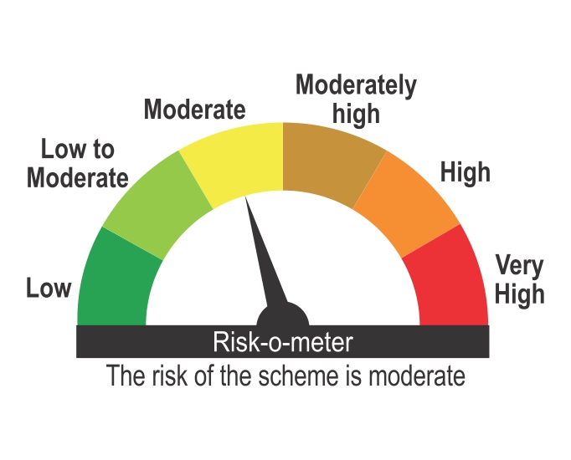

Benchmark Riskometer
Benchmark name - NIFTY Composite Debt Index A-III

